Test Plan
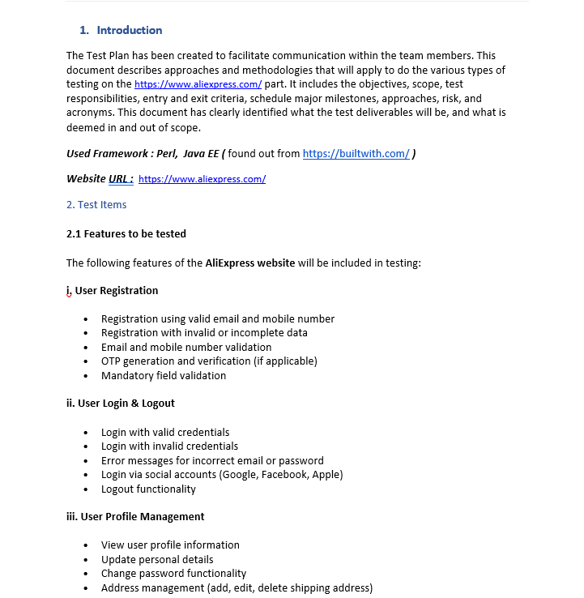

https://drive.google.com/drive/folders/1SF-LVFr7_RCbN0o7qzNBdNlLn_noha3X

